Test Report
Default Test Run Report

Project Name |  |  | Project 1
User Name |  |  | MTS
Test Name |  |  | MME 3407_S20 50mm Gage Length ASTM E8 Metals Tension (Extensometer-Crosshead) 90
Test Run Name |  |  | Test Run 1
Test Run Date |  |  | 11/5/2021 12:38:31 PM

Test Run Review Graph
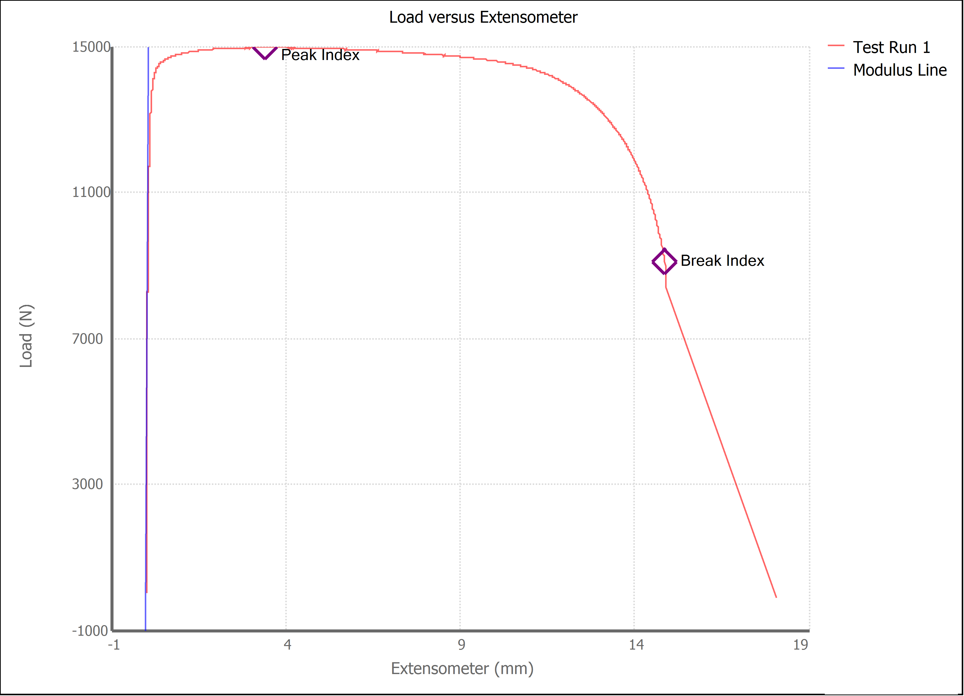

Test Run Results:
Display Name | Value | Unit
Test Run End Reason | Break Detected
Width | 13.470 | mm
Thickness | 3.610 | mm
Final Width | 9.125 | mm
Final Thickness | 1.835 | mm
Test ID | Jesus, Jorge, Jose 1018
Initial Marked Gage Length | 50.000 | mm
Maximum Force | 3364.757 | lbf
Maximum Stress | 307.8 | MPa
Elongation at Fracture | 28.929 | %
Elongation after Break | 20.360 | %
Upper Yield strength | 304.402 | MPa
Modulus of Elasticity | 291646.180 | MPa
Yield Strength (Offset = 0.2%) | 278.174 | MPa
Yield Strength (EUL = 0.5%) | 293.139 | MPa
Removal Point | 1.250 | mm
Ultimate Tensile Strength | 307.798 | MPa
Reduction of Area | 65.5655 | %
Lower Yield Strength | #NUM! | MPa
Final Marked Gage Length | 60.180 | mm

